はじめに
シスコシステムズ合同会社
重量区分および配送時間一覧表 |  | 2024/03/08 更新

＜はじめに＞
・事前に必ずSAM Toolにて配達可能エリアをご確認ください。※エンドユーザー様の場合、シスコ販売パートナー様にご確認ください。
└ SAM (Service Availability Matrix) Tool
https://samccx.cloudapps.cisco.com/apidc/sam/search.do
※シスコアカウント（Cisco.com ID）を使用してログインしてください。
└ 配送可能エリアであれば「Y」と表記され、重量パーツである場合、「Heavy Weight Parts」と表記されます（下記画像参照）
・SAM Toolにて「Heavy Weight Parts」の表示があった場合のみ本資料にて重量区分をご確認ください
└ 万が一SAM Toolにて「Heavy Weight Parts」の表示があったのにも関わらず本資料に記載がない場合はお問合せください
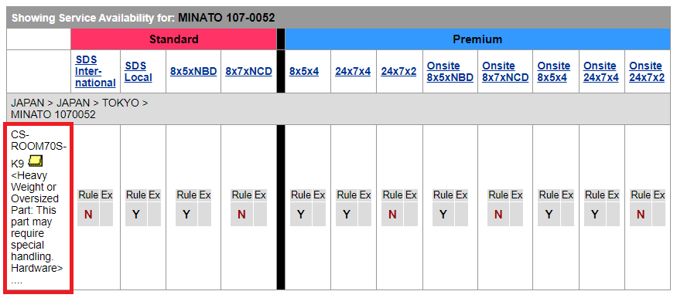

※SAM Tool の詳しい使用方法は下記をご参照ください。
└ Tools & Resource 1次店向けページ > サービス価格 / 発注関連 > Service Availability Matrix (SAM Tool)
https://www.cisco.com/c/m/ja_jp/partners/partner-with-cisco/services-partner-program-cspp/tools-resources-1.html
└ Tools & Resource 2次店向けページ > サービス発注関連 > Service Availability Matrix (SAM Tool)
https://www.cisco.com/c/m/ja_jp/partners/partner-with-cisco/services-partner-program-cspp/tools-resources-2.html

＜お問合せ先＞
ロジスティックスサポートセンター(LSC)
Web form: | https://mycase.cloudapps.cisco.com/omc
電話番号: | 0120-445-240 オプション#2

