Requirements 要求
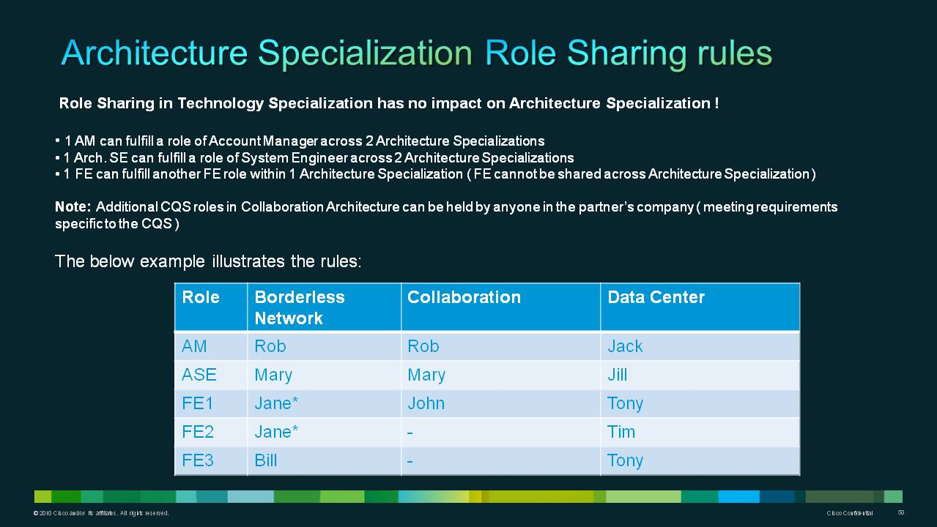
Detailed requirements in this URL: 詳情請點擊下面的鏈接
http://www.cisco.com/web/partners/partner_with_cisco/channel_partner_program/resale/specializations/index.html
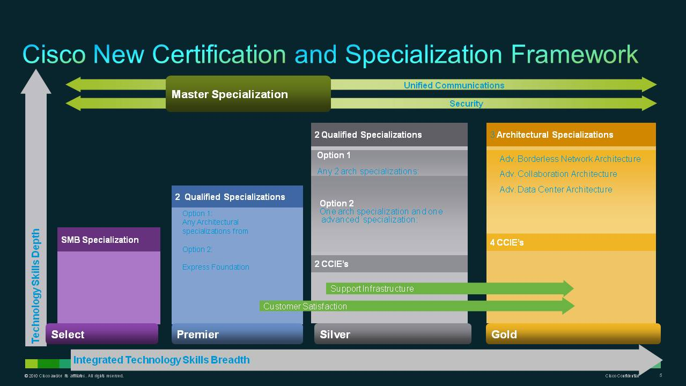
 | Architecture Silver Certification Option 2: The Advanced Technology Specialization can not be in the same family as the Advanced Architecture Specialization 架構銀牌選擇2：高級技術認證不可與架構資質認證出自同一技術種類

 | Beginning 1-Aug-2012, CSApp will only accept certification applications with the New Certification Program requirements.Beginning 1-Aug-2012, CSApp will only accept certification applications with the New Certification Program requirements. 自2012年8月1日开始，合作伙伴申请新的金银牌或者进行资质更新必须满足新的要求

