Cover Sheet
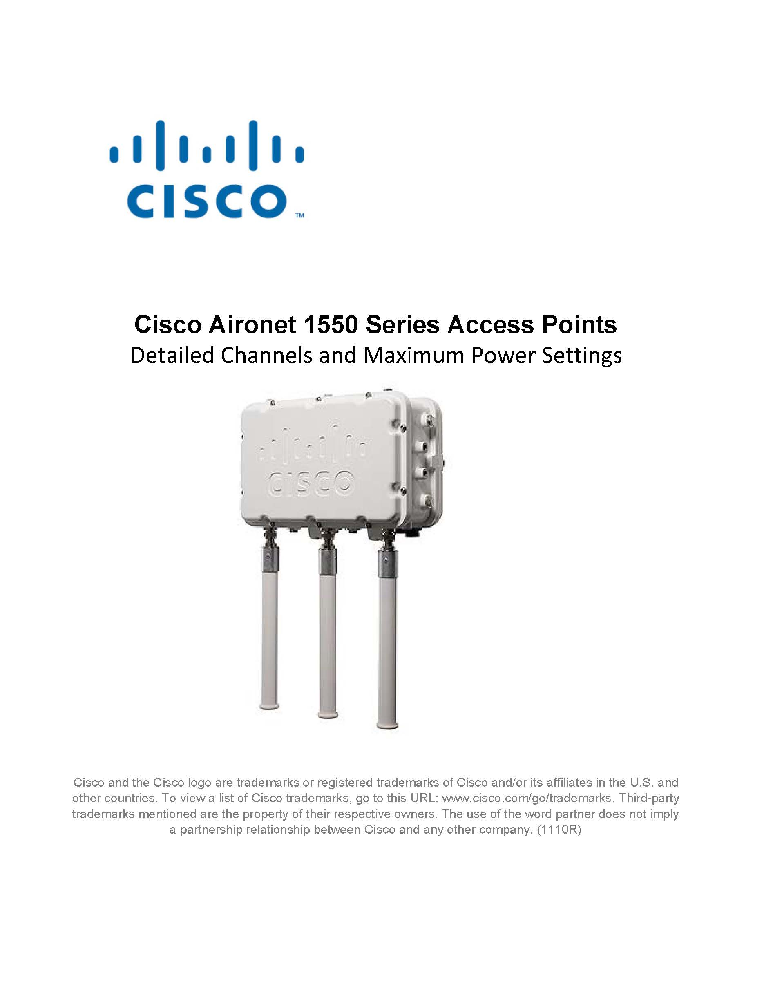 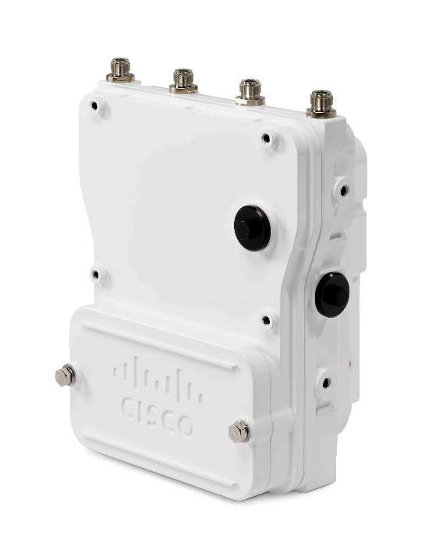 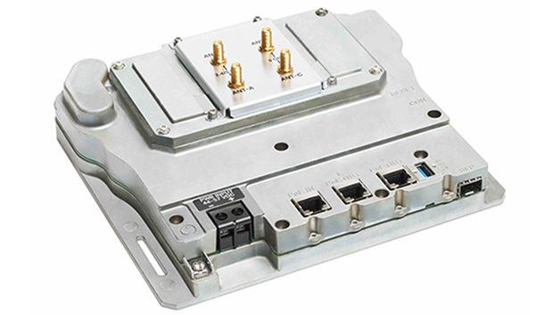

Catalyst 6300 Series Heavy Duty and Embedded Services Access Points
Detailed Channels and Maximum Power Settings

© 2021 Cisco Systems, Inc. All rights reserved.

